Logo
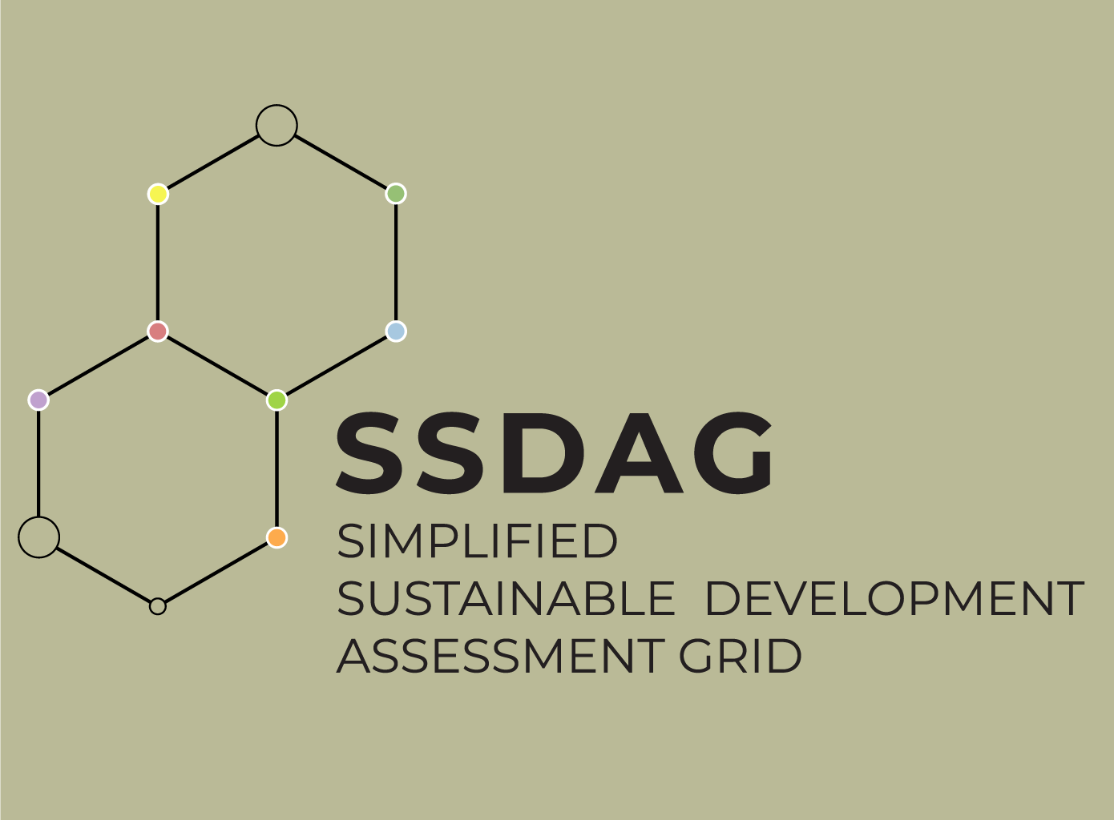

The English translation was supported by funding from Employment and Social Development Canada for the SDG funding program

La traduction en anglais a été soutenue grâce au financement d’Emploi et Développement Social Canada pour le programme de financement des ODD

Introduction
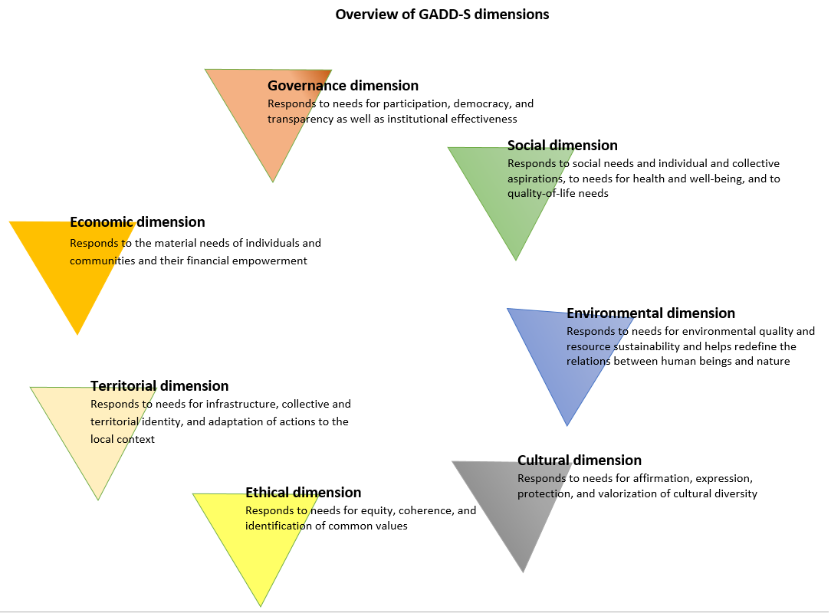

Simplified Sustainable Development Assessment Grid - SSDAG
Introduction
The Simplified Sustainable Development Assessment Grid (GADD-A, by its French acronym), belongs to the family of systemic sustainability assessment tools. It was developed as part of the Francophone Local Development Support Project (Profadel/OIF), a local component of the “Integration of Sustainable Development Goals” program of the Organisation internationale de la Francophonie (OIF). It draws direct inspiration from the Sustainable Development Assessment Grid of the Francophonie (Grille d'analyse de développement durable -- GADD-F), developed by the Institut de la Francophonie pour le développement durable (IFDD) and the Chair in Environmental Consulting of the Université du Québec à Chicoutimi (UQAC).
The SSDAG is a systemic questionning tool encompassing the social, environmental, economic, cultural, ethical, territorial, and governance dimensions of sustainable development. It can be used to assess the degree to which a policy, strategy, program, or project (PSPP) promotes the improvement of human conditions. It enables users to take stock of their current situation with a view to enhancing their PSPP from the perspective of continuous improvement. The SSDAG is frequently updated to reflect advancements of knowledge, practices, and international consensus relating to sustainable development. It deals with the major issues of sustainable development: poverty, health, education, access to goods and services, biodiversity, climate change, and so on.
Why a simplified grid?
The purpose of the simplified grid (SSDAG) is to facilitate speedy and all-encompassing consideration of sustainable development concerns associated with a PSPP to ensure its improvement by incorporating new and overlooked elements. The grid is also aimed at fostering dialogue between stakeholders and broadening actor representation.
The results obtained using the SSDAG are less precise than those produced by the complete version of the grid. It is intended is to guide reflection on the various impacts of a PSPP and to elicit concrete proposals for better consideration of sustainable development-related issues. The SSDAG is well suited to use in the early stages of PSPP development when only partial information is available, in situations in which deadlines are tight, for small-scale PSPPs, and for small organizations with limited resources.
For structuring, large-scale, or high-impact PSPPs, or PSPPs at a more advanced stage of design or implementation, the complete version of the grid, SDAG-F should be preferred.
Seven dimensions, 72 objectives
In this simplified version, the objectives included in the complete SDAG are grouped into 72 themes formulated as objectives for PSPPs to attain. Despite the simplification, the grid is designed to enable analysis of as many sustainable development-related issues as possible.
The authors have chosen to approach the themes and dimensions covered in the SSDAG from the human needs angle, a notion that is central to the Brundtland definition of sustainable development. Therefore, the seven dimensions (social, environmental, economic, cultural, ethical, territorial, and governance) correspond to different, complementary, and interrelated needs. The dimensions, themes, and objectives were developed on the basis of science, practice, and documents proceeding from major international conferences and conventions (World Conservation Strategy, Our Common Future, the Strategy for sustainable living, Agenda 21, the Future We Want, etc.), in particular the 2030 Agenda for Sustainable Development and the 17 sustainable development goals adopted in that context (SDGs).
A complement to the SDGs
As mentioned, the SSDAG belongs to the family of systemic sustainability assessment tools. These tools were developed to be mutually complementary and thus to allow for the fullest possible integration of sustainable development and the SDGs into PSPPs at the international, national, and local scales.
Two of these tools — the SDG Target Prioritization Grid and the Local-Scale Prioritization Grid — serve to identify SDG targets that require priority action.
The sustainable development goals do not define the actions that have to be taken for their attainment. Once targets are prioritized, the PSPPs to reach priority targets can be developed. Sustainability is defined, in particular, by the balancing of the various dimensions of sustainable development. The SSDAG provides assurance that each planned action is sustainable, that it takes into consideration all dimensions and principles of sustainable development, and that it contributes to the overall attainment of SDGs. The grid can be used to assess each action associated with the implementation of the SDGs.
For example, to achieve SDG 9 (Industry, innovation and infrastructure) or SDG 7 (Affordable and clean energy), a country can invest in infrastructure (roads, ports, etc.) or energy (thermal power plants, grids, etc.). The SDAG can be used to assess each specific project and to compel stakeholders to think about the connections between the project, the various dimensions of sustainable development, and the SDGs.
Although it is possible to identify underlying SDGs and targets in the SSDAG themes, the grid operates on an entirely different level of analysis. The advantage of the grid is to help people think outside the box and avoid looking at a PSPP in an isolated manner; to evaluate instead its impact in every dimension, and to improve it accordingly.
Credits
Organisation internationale de la Francophonie (OIF), Institut de la Francophonie pour le développement durable (IFDD), and Global Shift Institute (GSF), the Chair in Environmental Consulting of the Université du Québec à Chicoutimi (UQAC).
English translation supported by the EcoInnovation Network through the Commission for Environmental Cooperation.

How to use the SSDAG
HOW TO USE THE SSDAG
The SSDAG can be used to perform a rapid assessment of a policy, strategy, program, project (PSPP), or organization. This assessment involves weighting, followed by an evaluation of the PSPP on the basis of already planned actions. It also requires identifying avenues for improvement in relation to the objectives, where relevant. This method of analysis serves to prioritize actions within a perspective of continuous improvement. The various stages of the process are outlined below.
Preliminary steps
Before proceeding to assessment using the SSDAG, the following preliminary steps must be taken:
- Gathering the documentation on the PSPP and identifying its objectives.
- Determining the objectives of the assessment as well as its geographic, temporal, and operational scope.
- Putting together a team of analysts.
For the purpose of these preliminary steps, fill in the PSPP Description and Assessment Scope and Objectives tabs.
Putting together a team of analysts
The team of analysts should be formed with reference to the context and objectives of the assessment. However, it should include at least five people from various backgrounds, with complementary expertise, in order to ensure that it is multidisciplinary. In the best case, the team should include representatives of the proponent, sectoral experts, and stakeholders.
Weighting can be performed by a very large group of people, divided into subgroups whose results are then pooled during a plenary session. For the evaluation, however, it is preferable to work with a small group of analysts consisting of 5 to 12 individuals with extensive knowledge of the project and sustainable development issues.
Weighting of the objectives
Each objective should be weighted at the outset to determine its overall importance in the PSPP. Analysts must determine weights by consensus.
Experience has shown that the weighting process is an initial opportunity for dialogue between analysts from different backgrounds. While discussing the relative importance of the various objectives with respect to a particular situation, the analysts discover each another’s values, assumptions, and vocabulary.
The team of analysts assigns a weight to each objective in order to determine its importance within the PSPP. For each objective, the following question should be asked:
Is it indispensable, important, or desireable for the PSPP to achieve this objective?
Values of 1 to 3 are used to rate the importance of this objective for the PSPP in question:
1: Desireable : Achieving this objective is not considered important, or it is not a priority.
2: Important: Achieving this objective is important, but it is not an immediate priority in relation to the needs targeted by the PSPP.
3: Indispensable: Achieving this objective is important and it is an immediate priority; it is deemed to be indispensable to the successful implementation of the PSPP.
It is important to mention that a 0 value weight cannot be assigned because each objective in the grid is relevant to the achievement of sustainable development. Therefore, all objectives are subject to evaluation and improvement.
Weighting serves to calibrate the grid. The weighting will necessarily be different depending on whether one is analyzing a crafts development program or an energy strategy. In addition, PSPPs of the same nature (education, industry, agriculture, energy, etc.) may have similarities while also exhibiting local differences; the same energy strategy will most likely not be weighted in the same way in Belgium and Burkina Faso.
One column in the grid is used to justify the value of the weight assigned to each objective.
Evaluating the objectives
Once weighted, each objective must be evaluated by answering the following question:
How is the PSPP performing on this objective?
Numerical values from 0 to 10 are used to determine how well the PSPP is performing on a given objective. The following table provides a scale for this evaluation:
Analysts may proceed by averaging their respective ratings or they may agree on a common rating based on their discussions. The justification for the ratings is based on current and/or future actions.
Planned or already implemented actions and avenues for improvement
Actions already planned or implemented should be entered in the appropriate boxes in the grid. They are used to justify the evaluation rating.
Likewise, the avenues for improvement that are envisioned and proposed during the analysis should be entered in the appropriate boxes.
Analysis of improvements
For the purpose of operationalizing implementation, a comment sheet can be completed for each proposed improvement and the PSPP objectives that it targets. This can be done in the Analysis of improvements tab. Each avenue for improvement should be entered on a separate line.

Results
Performance of dimensions of sustainable developement
Project :
Date :
DIMENSION | Average weighting | Average performance | Status
SOCIAL | 0.0 | 0%
ENVIRONMENTAL | 0.0 | 0%
ECONOMIC | 0.0 | 0%
CULTURAL | 0.0 | 0%
ETHICAL | 0.0 | 0%
TERRITORIAL | 0.0 | 0%
GOVERNANCE | 0.0 | 0%
Overall performance in terms of sustainable development
Weighting and performance on social dimension themes
SOCIAL DIMENSION
THEMES | Weighting | Performance | Priority
Fighting poverty | 0 | 0 |  | 3
Access to drinking water | 0 | 0 |  | 3
Water use | 0 | 0 |  | 3
Food | 0 | 0 |  | 3
Access to energy | 0 | 0 |  | 3
Public health | 0 | 0 |  | 3
Access to health services | 0 | 0 |  | 3
Maternal and child health | 0 | 0 |  | 3
Safety and security | 0 | 0 |  | 3
Basic education | 0 | 0 |  | 3
Higher education | 0 | 0 |  | 3
Gender | 0 | 0 |  | 3

Weighting and performance on environmental dimension themes
ENVIRONMENTAL DIMENSION
THEMES | Weighting | Performance | Priority
Knowledge of ecosystems | 0 | 0 |  | 3
Biodiversity | 0 | 0 |  | 3
Land-based ecosystems | 0 | 0 |  | 3
Marine ecosystems | 0 | 0 |  | 3
Soils | 0 | 0 |  | 3
Restoration | 0 | 0 |  | 3
Resources | 0 | 0 |  | 3
Outputs | 0 | 0 |  | 3
Global pollutants | 0 | 0 |  | 3
Climate change | 0 | 0 |  | 3

Weighting and performance on economic dimension themes
ECONOMIC DIMENSION
THEMES | Weighting | Performance | Priority
Responsible production | 0 | 0 |  | 3
Sustainable industrialization | 0 | 0 |  | 3
Responsible consumption | 0 | 0 |  | 3
Economic viability | 0 | 0 |  | 3
Access to employment | 0 | 0 |  | 3
Working conditions | 0 | 0 |  | 3
Wealth and prosperity | 0 | 0 |  | 3
Wealth generation | 0 | 0 |  | 3
Entrepreneurship | 0 | 0 |  | 3
Economic models | 0 | 0 |  | 3

Weighting and performance on cultural dimension themes
CULTURAL DIMENSION
THEMES | Weighting | Performance | Priority
Cultural heritage | 0 | 0 |  | 3
Cultural expression | 0 | 0 |  | 3
Minorities | 0 | 0 |  | 3
Cultural diversity | 0 | 0 |  | 3
Cultural dialogue | 0 | 0 |  | 3
Cultural industry | 0 | 0 |  | 3
Cultural innovations | 0 | 0 |  | 3

Weighting and performance on ethical dimension themes
ETHICAL DIMENSION
THEMES | Weighting | Performance | Priority
Responsibility | 0 | 0 |  | 3
Peace | 0 | 0 |  | 3
Accessibility | 0 | 0 |  | 3
Compensation | 0 | 0 |  | 3
Solidarity | 0 | 0 |  | 3
Sharing | 0 | 0 |  | 3
Public property | 0 | 0 |  | 3
Dialogue | 0 | 0 |  | 3
Common values | 0 | 0 |  | 3

Weighting and performance on territorial dimension themes
TERRITORIAL DIMENSION
THEMES | Weighting | Performance | Priority
Involvement | 0 | 0 |  | 3
Cohesion | 0 | 0 |  | 3
Autonomy and resilience | 0 | 0 |  | 3
Human settlements | 0 | 0 |  | 3
Mobility | 0 | 0 |  | 3
Access to housing | 0 | 0 |  | 3
Land use | 0 | 0 |  | 3
Local issues | 0 | 0 |  | 3
Landscape | 0 | 0 |  | 3
Agriculture | 0 | 0 |  | 3
Tourism | 0 | 0 |  | 3
Adaptation | 0 | 0 |  | 3
Weighting and performance on governance dimension themes
GOVERNANCE DIMENSION
THEMES | Weighting | Performance | Priority
Institutions | 0 | 0 |  | 3
Management | 0 | 0 |  | 3
Participation | 0 | 0 |  | 3
Partnerships | 0 | 0 |  | 3
Acceptability | 0 | 0 |  | 3
Subsidiarity | 0 | 0 |  | 3
Consistency | 0 | 0 |  | 3
Information | 0 | 0 |  | 3
Monitoring | 0 | 0 |  | 3
Transparency | 0 | 0 |  | 3
Research and innovation | 0 | 0 |  | 3
Risk management | 0 | 0 |  | 3

Interpreting the results
Interpreting the results of the analysis
An assessment report should be produced each time the grid is used. The main purpose of this report is to determine the objectives that should be prioritized in order to improve the performance of the PSPP in terms of sustainable development, but also to emphasize the strengths of the PSPP or the organization. Here are some items that can be mentioned in a report produced following detailed analysis.

Project balance and overall performance
Radar charts are data visualization tools that offer a snapshot of the overall rating obtained for each dimension (7). These scores are synthesized and presented in the tables and graphs under the “Results” tab.
In the first table, each score is an indicator of the PSPP's performance for one dimension of sustainable development. It has no scientific value, but serves to compare performance across dimensions. These results are presented in the form of a radar chart providing a snapshot of the degree of balance between different dimensions.
The following is a qualitative appreciation of the scores that may be obtained for any given dimension:
Less than 20% Critical – adversely affected by the PSPP
20% to 39% Problematic – insufficiently considered in the PSPP
40% to 59% Can be improved – poorly considered in the PSPP
60% to 79% Satisfactory – taken into consideration in the PSPP
80% to 100% Excellent – extensively considered in the PSPP
Sustainable development-focused PSPPs should attain a minimum threshold of 40% across the seven dimensions of the SSDAG. PSPPs for which one of the dimensions falls below 40% have little chance of successfully achieving sustainable development. They should be reworked.

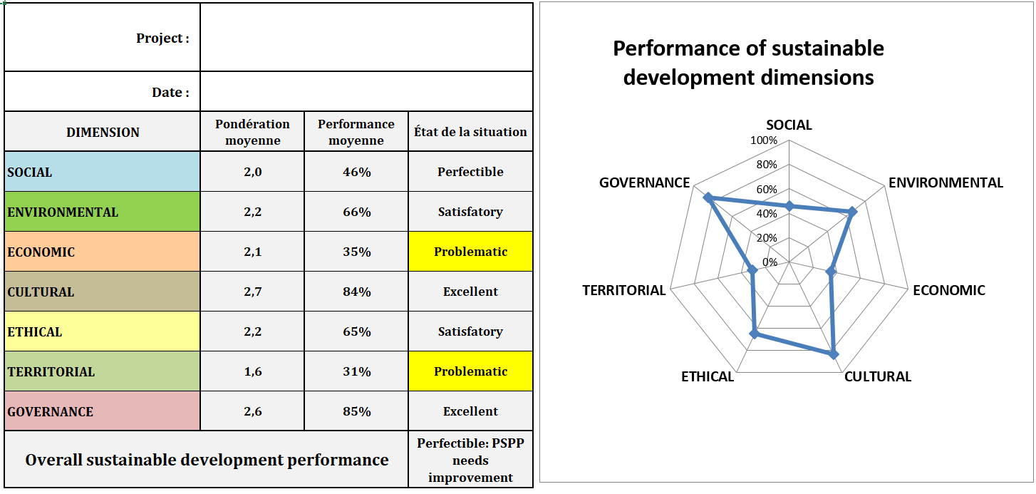
Average weighting
Average performance

Status

Performance of each dimension
The tables below, still under the “Results” tab, provide a summary of one particular project’s weighting and performance on all the themes under each dimension.
These results are also presented in the form of a diagram providing a snapshot of how well the project addresses each theme.
The diagram presents the weighting (inner figure) and the performance (outer figure) on each theme. The bold ten-sided polygon in the centre of the graph, at level 3, indicates both
- the maximum weighting that may be assigned to any theme;
- the boundary below which the PSPP has negative impacts on a theme.
In the example on the right, the themes of knowledge of ecosystems, biodiversity, soils, and outputs were deemed to be most important. The resources and restoration themes were assigned lower weight.
As regards performance evaluation, the PSPP has a negative impact on resources. Biodiversity, climate change, and land-based ecosystems are poorly considered. The ecosystem knowledge, restoration, and marine ecosystems themes are given proper consideration by the project.
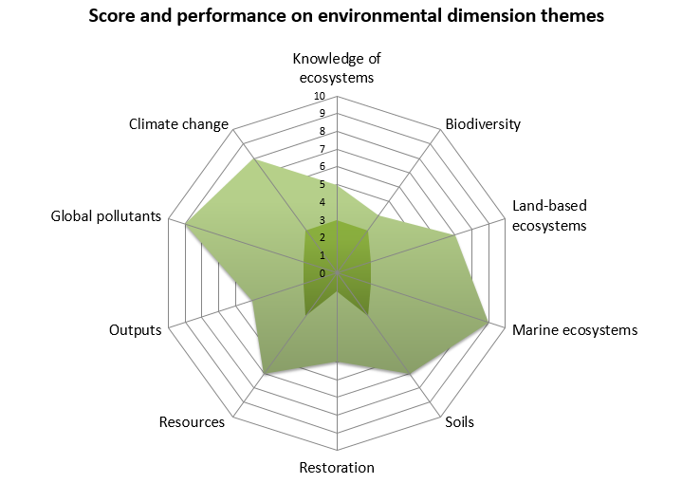

Prioritization
The prioritization index is used to identify the objectives that should be prioritized in order to improve the sustainable development performance of the PSPP. The more important an objective is (high weighting) and the poorer the PSPP's performance in relation to it is (low rating), the more urgent it will be to implement improvement measures (avenues for improvement).
The React priority applies to indispensable objectives (weight of 3) with a performance rating under 5 and to necessary objectives (weight of 2) with a performance rating under 3.
The Act priority applies to indispensable objectives with a performance rating between 5 and 6 as well as necessary objectives with a performance rating between 3 and 6.
The Solidify priority applies to indispensable and necessary objectives with a performance rating greater than or equal to 7.
The Long-term issue priority applies to desireable objectives (weight of 1) with a performance rating under 7.
Not a priority applies to desireable objectives with a performance rating greater than or equal to 7.

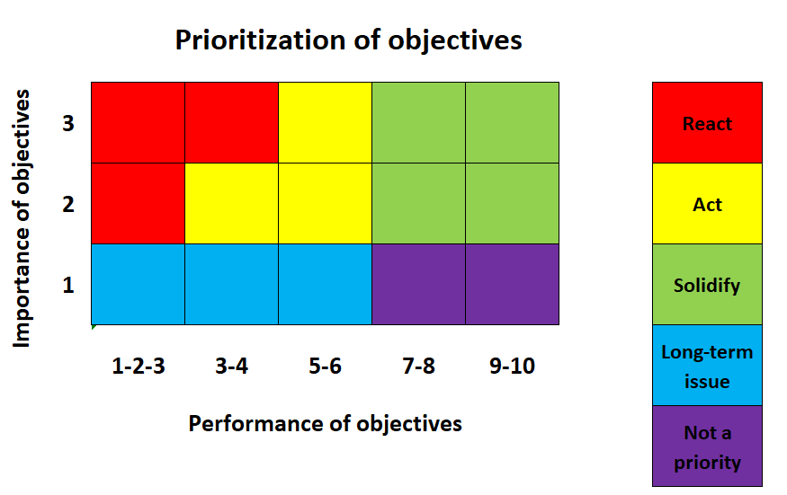

Priority improvements
Once the sustainable development analysis is completed, it should be followed up by implementing the potential improvements identified for the most poorly rated objectives. Actions to be prioritized are those that improve the performance of the PSPP on themes with a React or Act priority, or those that improve the PSPP in relation to several objectives simultaneously.
For the operationalization of the implementation, a comment sheet can be completed under the "Analysis of improvements" tab for each proposed avenue for improvement relating to those PSPP objectives that require enhancement. Each improvement should be entered on a separate line.

Important note
Although some improvement suggestions are provided as part of this analysis interpretation methodology, it is essential that analysts interpret the results themselves. Grid users should not rely solely on these suggestions for analysis. They must keep in mind that context can strongly influence an organization or a project management committee’s actual priorities.
In addition, each PSPP is evaluated according to its own weightings; what matters is the PSPP's progress, not its initial position. This approach helps to avoid the pitfalls of comparison or competitive ranking of one PSPP against others. However, with certain precautions, it is possible to compare PSPPs of similar nature, with similarly weighted objectives. In the best case, the SSDAG is useful in comparing a PSPP's performance at different stages of its development. The grid can therefore serve as a dashboard from which relevant indicators can be selected for the purpose of monitoring the PSPP or for testing hypotheses.

